Info
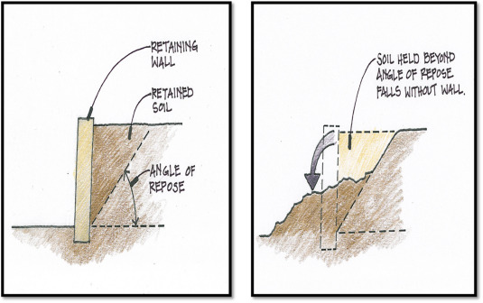
Scrapyard
Maintenance zones: | 2 x 20m wide
Maximum length: | 505 meter
Wall height: | 5 meter
Front walls: | 1.7 meter wide straight (= same top as bottom)
Side walls: | 0.7 meter wide top; 1.7 meter wide bottom
Maximum pile height: | 10 meter (flat surface if box is wide enough)
Angle of repose: | 45 degrees
Distance from scrapyard to bucket drop off position | 100 meter
Scrap box can be filled until the road

Scrap crane
Large scrap crane cycle time | 40 seconds
Large scrap crane reach | 20 meter
Mobile scrap handler can only reach up to 10 meter height
Mobile scrap handler needs 5 m x 5 m space
Travel speed | 40 meter/min

Basket Transfer cars
Travel speed | 60 meter/min

Buckets
Number of buckets per grade: | max. 2
Bucket should be at drop off position at: | start time - 7 min. | Additional challenge:
Bucket back at drop off position at: | start time + 3 min. | Determine the ideal ratio of height, length and depth of the park, with
Large bucket size | 317 m³ | height: min. 5 meter - max. 8 meter
Small bucket size | 262 m³ | depth: min. 20 meter - max. 40 meter
 |  | length: max. 505 meter
EAF bay
Duration from drop off to EAF | 1,5 min | Additional challenge:
Duration to load bucket in EAF | 7 min | Determine the optimal layout for a grade mix with small buckets
Duration from EAF to drop off | 3 min

Scrapyard
